(1) Start
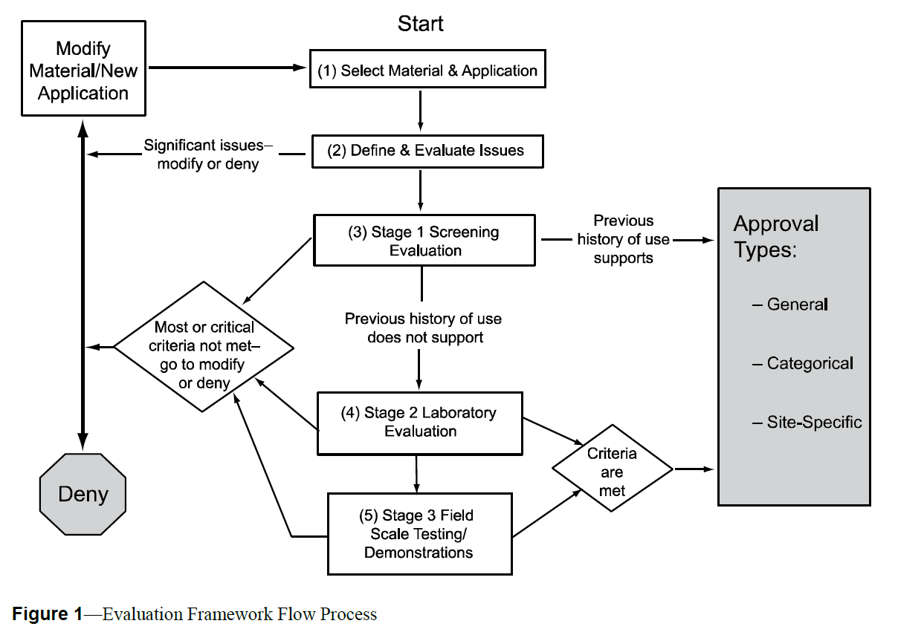
Before starting, review this link to confirm if the material & application have already been evaluated. (AASHTO R 65 3.1)

(2) Define and Evaluate
 | Material & Application
 | Average Rating |  | #DIV/0!
 | Any Zeros?

Table 1 | History and Previous Experience Questions |  |  |  |  |  |  |  | Rating
 | General Area | Question | General Questions | Rating | Comments | Resources | Additional Resources | Additional Resources | Color | Score | Meaning
 | History | 1 | Has the recycled material been used anywhere? If so, identify uses. |  |  |  |  |  | Green | 5 | Absolutely
 |  | 2 | Is information available about the source of the recycled material? If so, collect it |  |  |  |  |  |  | 4 | Yes, for the most part
 |  | 3 | Has this recycled material been previousy used for transportation applications? If so, identify applications. |  |  |  |  |  |  | 3 | Maybe
 |  | 4 | Has this recycled material been used in geographically diverse locations? If so, identify locations. |  |  |  |  |  |  | 2 | Unlikely
 |  | 5 | Has this recycled material been used previously in a similar application? If so, identify location. |  |  |  |  |  |  | 1 | Improbable
 |  | 6 | Has this recycled material been used in other agencies? If so, identify these agencies. |  |  |  |  |  | Red | 0 | No, Red Flag
 |  | 7 | Have other agencies approved for this use? If so, identify these agencies. |  |  |  |  |  |  | N/A | Not applicable
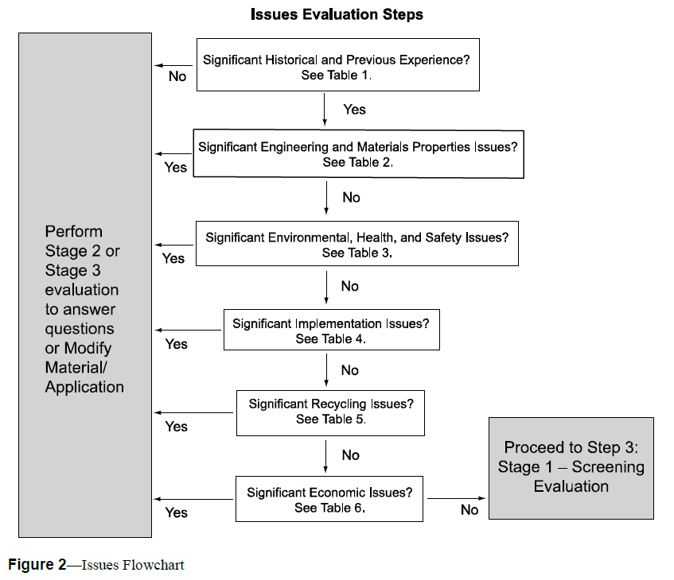
 | Previous Experience | 1 | Is information available about important prior experiences (previous use, prior objections, and similarity with other materials)? If so, collect the information.
 |  | 2 | Are there experts available to discuss prior experiences? This can include regulators, scientists, practitioners, waste generators, and associations. If so, contact the experts.
 |  | 3 | Is there any published literature about prior experiences? If so, obtain the information.

Table 2 | Engineering and Material Properties Questions
 | General Area | Question | General Questions | Rating | Comments | Resources | Additional Resources
 | Engineering | 1 | Is information available about the engineering properties of the recycled material? This could include information about gradation, bulk density, and compaction data. If so, collect the pertinent information.
 |  | 2 | Is the recycled material appropriately characterized with respect to time-dependent engineering properties? This could include time-dependent variation in gradation, bulk density, durability, and compaction. If so, collect the pertinent information.
 |  | 3 | For the proposed application, are there appropriate engineering criteria for the product? This could include durability, grain size, and compaction requirements. If so, collect the pertinent criteria.
 |  | 4 | Is engineering information available about important prior experiences (previous use, prior performance criteria, and similarity with other materials)? If so, assemble the pertinent information.
 | Material Properties | 1 | Is information available about the material properties of the recycled material? This could include information about loss on ignition, mineralogy, and pozzolanic activity of the waste material. If so, summarize the data.
 |  | 2 | Is the recycled material appropriately characterized with respect to time-dependent materials properties? If so, summarize the data.
 |  | 3 | For the proposed application, are there appropriate material properties criteria for the product? If so, identify the criteria.

Table 3 | Environment, Health, and Safety (EHS) Properties Questions
 | General Area | Question | General Questions | Rating | Comments | Resources | Additional Resources | Additional Resources
 | Environmental | 1 | Is information available about the environmental properties of the recycled material? This could include information about total elemental composition, total available elemental composition, and volatile and semi-volatile organics composition data. If so, collect the pertinent information.
 |  | 2 | Is the recycled material appropriately characterized with respect to time-dependent environmental properties? This could include time-dependent variation in total elemental composition, total available elemental composition, and volatile and semi-volatile organic composition. If so, collect the pertinent information.
 |  | 3 | For the proposed application, are there appropriate environmental criteria for the product? This could include leaching data, total content data, particle size, etc. If so, collect the pertinent criteria.
 |  | 4 | Is environmental information available about important prior experiences (previous use, prior performance criteria, and similarity with other materials)? If so, assemble the pertinent information.
 |  | 5 | Have there been any environmental assessments undertaken relative to the use of the proposed material? If so, summarize the information.
 | Public Health | 1 | Are there any Material Safety Data Sheets (MSDS) for the recycled material? If so, collect the sheets.
 |  | 2 | Have there been health risk assessments (HRA) undertaken relative to the proposed use of the material? If so, summarize the information.
 | Safety | 1 | Have there been prior Occupational Safety and Health Administration (OSHA) issues for generation, processing, storage, and use in previous efforts? If so, summarize the information.

Table 4 | Implementation Issue Questions
 | General Area | Question | General Questions | Rating | Comments | Resources | Additional Resources | Additional Resources
 | Implementation | 1 | Are there any apparent political constraints? If so, describe them.
 |  | 2 | Are there any apparent regulatory constraints? If so, describe them.
 |  | 3 | Are there any apparent public acceptability constraints? If so, describe them.

Table 5 | Recycling Issue Questions
 | General Area | Question | General Questions | Rating | Comments | Resources | Additional Resources | Additional Resources
 | Recycling | 1 | Are there likely recycling or life-cycle issues? If so, identify them.
 |  | 2 | Has the recycled material or its application been reused within other areas of the highway environment? If so, identify them.

Table 6 | Economic Issue Question
 | General Area | Question | General Questions | Rating | Comments | Resources | Additional Resources | Additional Resources
 | Economic | 1 | Are there any apparent economic constraints? If so, identify them.

(3) Screening Evaluation
 |  |  |  |  |  |  |  |  | Rating
 |  |  |  |  |  |  |  |  | Color | Score | Meaning
 |  |  |  |  |  |  |  |  | Green | 5 | Absolutely
 |  |  |  |  |  |  |  |  |  | 4 | Yes, for the most part
 |  |  |  |  |  |  |  |  |  | 3 | Maybe
 |  |  |  |  |  |  |  |  |  | 2 | Unlikely
 |  |  |  |  |  |  |  |  |  | 1 | Improbable
Table 7 | History and Previous Experience Questions |  |  |  |  |  |  |  | Red | 0 | No, Red Flag
 | Parameter | Test Method | Question | Evaluation Criteria | Rating | Comments | Resources | Additional Resources |  | N/A | Not applicable
 | Material Source | Determine whether the proposed material is generated from similar source materials and the same process or operation as the reference material | 1 | Will the quality of feedstock material to be used in the production or generation of the proposed material be sufficiently similar to that used to produce or generate the reference material so that the engineering properties of the proposed material will not be significantly impacted and will still be comparable to the reference material?
 |  |  | 2 | Will the operating conditions associated with the production or generation of the proposed material be sufficiently similar to those of the reference material so that the engineering properties of the proposed material will not be significantly impacted and will still be comparable to the reference material?
 |  |  | 3 | Will the post-production operations (e.g., material processing, handling, and storage) associated with the production or generation of the proposed material be sufficiently similar to the reference material so that the engineering properties of the proposed material will not be significantly impacted and will still be comparable to the reference material?
 | Engineering Properties | Assess whether there are sufficient data to compare the engineering properties of the proposed material and the reference material, and whether the respective properties are sufficiently similar to approve the proposed material for use. | 1 | Are appropriate engineering property data available for both the proposed and the reference materials, and are the data reliable?
 |  |  | 2 | Can it be determined that the proposed and the reference materials have statistically similar engineering properties that are in conformance with the specifications of the proposed application, and are they comparable?
 | Field Performance | Determine whether the reported historical data for the reference material provided give reasonable assurance that the proposed material will provide satisfactory performance in the intended application | 1 | Is there a sufficient and reliable historical performance record available?
 |  |  | 2 | Are there experienced personnel available with whom to review the results of the historical performance data, and have the above-referenced contacts provided positive feedback regarding the application?
 |  |  | 3 | Are the historical performance data of the material sufficient to warrant a Stage 1 approval?

Table 8 | Stage 1 Environmental, Health, and Safety Screening Checklist
 | Parameter | Test Method | Question | Evaluation Criteria | Rating | Comments | Resources | Additional Resources
 | Material Source | Determine whether the proposed material is generated from similar source materials and the same process or operation as the reference material | 1 | Will the quality of feedstock materials to be used in the production or generation of the proposed material be sufficiently similar to that used to produce or generate the reference materials so that the environmental properties of the proposed material will not be significantly impacted and will still be comparable to the reference material?
 |  |  | 2 | Will the operating conditions associated with the production or generation of the proposed material be sufficiently similar to those of the reference material so that the environmental properties of the proposed material will not be significantly impacted and will still be comparable to the reference material?
 |  |  | 3 | Will the post-production operations (e.g., material processing, handling, and storage) associated with the production or generation of the proposed material be sufficiently similar to the reference material so that the environmental properties of the proposed material will not be significantly impacted and will still be comparable to the reference material?
 | Environmental Properties | Assess whether there are sufficient data to compare the environmental data to compare the environmental properties of the proposed material and the reference material, and whether the respective properties are sufficiently similar to approve the proposed material for use. | 1 | Are appropriate environmental property data available for both the proposed and the reference materials, and are the data reliable?
 |  |  | 2 | Can it be determined that the proposed and the reference materials have statistically similar environmental properties that are in conformance with the specifications pf the proposed application, and are they comparable?
 | Field Performance | Determine whether the reported historical data provided give reasonable assurance that the proposed material will provide satisfactory performance in the intended application. | 1 | Is there a sufficient and reliable historical performance record available?
 |  |  | 2 | Are there personal contacts (regulators or scientists with experience) available with whom to review the results of the historical performance data, and have the above-referenced contacts provided positive feedback, regarding the application?
 |  |  | 3 | Were there any specific problems or difficulties reported, and were the reported problems satisfactorily addressed in previous investigations to warrant a Stage 1 approval?

Table 9 | Stage 1 Recycling Screening Checklist
 | Parameter | Test Method | Question | Evaluation Criteria | Rating | Comments | Resources | Additional Resources
 | Engineering Acceptability | If the proposed material is incorporated into the engineered product, could it significantly impact the engineering quality of the product if used in a secondary application at the completion of its useful service life? | 1 | Could the proposed material adversely impact the production process during a post-service life application?
 |  |  | 2 | Could the proposed material properties be altered during either its service life or post-service life processing to such an extent that it could significantly impact the properties of the secondary material?
 | Environmental Acceptability | If the proposed material is incorporated into the engineered product, could it significantly impact the environmental quality of the product if used in a secondary application at the completion of its useful service life? | 1 | Could the proposed material adversly impact the environment (air, water, or soil quality) during post-service life processing if introduced into a secondary application?
 |  |  | 2 | Could the proposed material adversely impact the environment (air, water, or soil quality) during the post-service life use if introduced into a secondary application?
 |  |  | 3 | Could the proposed material adversely impact the environment (air, water, or soil quality) if disposed of as a construction and demolition debris after its initial service life?
 | Worker Health and Safety Acceptability | If the proposed material is incorporated into the engineered product, could it significantly impact the worker health and safety properties of the product if used in a secondary application at the completion of its useful service life? | 1 | Could harmful fugitive dust or volatile gaseous emissions resulting from the use of the proposed material impact worker health or safety during post-service life processing or construction activities?
 |  |  | 2 | Could the use of the proposed material create a hazard to the physical safety of workers during post-service life processing or construction activities?

Table 10 | Stage 1 Implementation Screening Checklist
 | Parameter | Test Method | Question | Evaluation Criteria | Rating | Comments | Resources | Additional Resources
 | Institutional Acceptability | Consider the probability that the regulatory community will approve and the technical community will accept and utilize the material in the proposed application. | 1 | Rate the degree of difficulty that can be anticipated in obtaining approval to incorporate the material-application match into existing construction specifications.
 |  |  | 2 | Rate the degree of difficulty that can be anticipated prior to the receipt of environmental approvals from regulatory agencies.
 |  |  | 3 | Rate the degree of reluctance that engineers might have in specifying the material in the proposed application.
 |  |  | 4 | Rate the degree of reluctance that contractors might have in utilizing the material in the proposed application.
 | Political Acceptability | Consider the degree to which public officials will support or impede the proposed application. | 1 | Rate the degree to which political opposition could impede the application.
 | Public Acceptability | Assess the degree to which the public will accept the proposed material-application strategy. | 1 | Rate the degree to which the public opposition due to perceived environmental, health, safety, or economic impacts could impede the application.

$C_{D}= P_{PM}+ C_{PR}+ C_{ST}+ C_{LD}+ C_{TR}+P$
$$Is C_{DP}≤C_{DC} where C_{DC}=Delivered price of conventional material$$
Table 11 | Stage 1 Economic Screening Checklist
 | Parameter | Test Method | Question | Evaluation Criteria | Rating | Comments | Resources | Additional Resources
 | Material Cost |  | 1
$C_{IP}= C_{DR}+ C_{DP}+ C_{C}+ T_{RP}$
$$Is C_{IP}≤C_{IC} where C_{IC}=Cost of installation using conventional material$$
 | Installation Cost |  | 2
$$A_{CP}= C_{IP} ×CRF(i,n)+ C_{AM}$$
$$Is A_{CP}≤A_{CC} where A_{CC}=Annual cost using conventional material$$
 | Life-Cycle Cost |  | 3

